Short Term NonClassified Titles
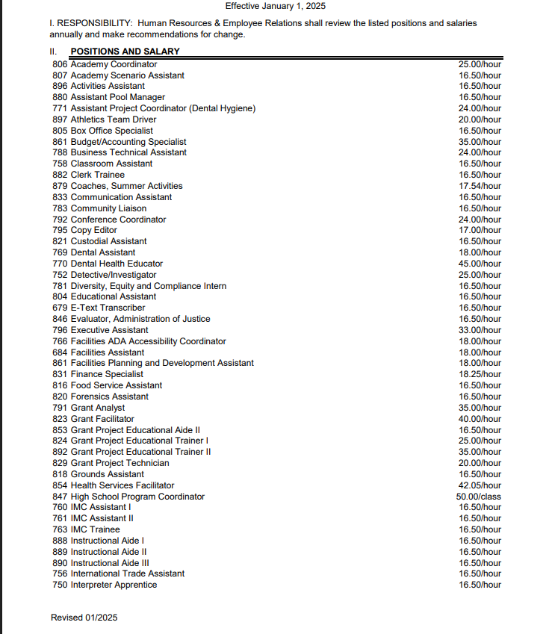
 |  |  | Effective January 1, 2025
Academy Coordinator | 25.00 | / | hour
Academy Scenario Assistant | 16.50 | / | hour
Activities Assistant | 16.50 | / | hour
Assistant Pool Manager | 16.50 | / | hour
Assistant Project Coordinator (Dental Hygiene) | 24.00 | / | hour
Athletics Team Driver | 20.00 | / | hour
Box Office Specialist | 16.50 | / | hour
Budget/Accounting Specialist | 35.00 | / | hour
Business Technical Assistant | 24.00 | / | hour
Classroom Assistant | 16.50 | / | hour
Clerk Trainee | 16.50 | / | hour
Coaches, Summer Activities | 17.54 | / | hour
Communication Assistant | 16.50 | / | hour
Community Liaison | 16.50 | / | hour
Conference Coordinator | 24.00 | / | hour
Copy Editor | 17.00 | / | hour
Custodial Assistant | 16.50 | / | hour
Dental Assistant | 18.00 | / | hour
Dental Health Educator | 45.00 | / | hour
Detective/Investigator | 25.00 | / | hour
Diversity, Equity and Compliance Intern | 16.50 | / | hour
Educational Assistant | 16.50 | / | hour
E-Text Transcriber | 16.50 | / | hour
Evaluator, Administration of Justice | 16.50 | / | hour
Executive Assistant | 33.00 | / | hour
Facilities ADA Accessibility Coordinator | 18.00 | / | hour
Facilities Assistant | 18.00 | / | hour
Facilities Planning and Development Assistant | 18.00 | / | hour
Finance Specialist | 18.25 | / | hour
Food Service Assistant | 16.50 | / | hour
Forensics Assistant | 16.50 | / | hour
Grant Analyst | 35.00 | / | hour
Grant Facilitator | 40.00 | / | hour
Grant Project Educational Aide II | 16.50 | / | hour
Grant Project Educational Trainer I | 25.00 | / | hour
Grant Project Educational Trainer II | 35.00 | / | hour
Grant Project Technician | 20.00 | / | hour
Grounds Assistant | 16.50 | / | hour
Health Services Facilitator | 42.05 | / | hour
High School Program Coordinator | 50.00 | / | class
IMC Assistant I | 16.50 | / | hour
IMC Assistant II | 16.50 | / | hour
IMC Trainee | 16.50 | / | hour
Instructional Aide I | 16.50 | / | hour
Instructional Aide II | 16.50 | / | hour
Instructional Aide III | 16.50 | / | hour
International Trade Assistant | 16.50 | / | hour
Interpreter Apprentice | 16.50 | / | hour
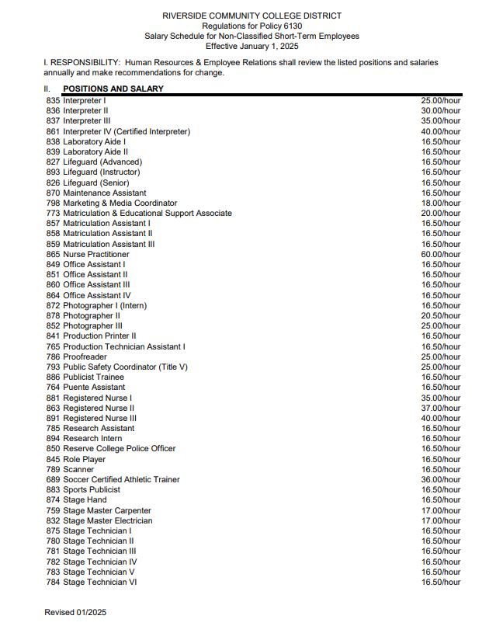
Interpreter I | 25.00 | / | hour
Interpreter II | 30.00 | / | hour
Interpreter III | 35.00 | / | hour
Interpreter IV (Certified Interpreter) | 40.00 | / | hour
Laboratory Aide I | 16.50 | / | hour
Laboratory Aide II | 16.50 | / | hour
Lifeguard (Advanced) | 16.50 | / | hour
Lifeguard (Instructor) | 16.50 | / | hour
Lifeguard (Senior) | 16.50 | / | hour
Maintenance Assistant | 16.50 | / | hour
Marketing & Media Coordinator | 18.00 | / | hour
Matriculation & Educational Support Associate | 20.00 | / | hour
Matriculation Assistant I | 16.50 | / | hour
Matriculation Assistant II | 16.50 | / | hour
Matriculation Assistant III | 16.50 | / | hour
Nurse Practitioner | 60.00 | / | hour
Office Assistant I | 16.50 | / | hour
Office Assistant II | 16.50 | / | hour
Office Assistant III | 16.50 | / | hour
Office Assistant IV | 16.50 | / | hour
Photographer I (Intern) | 16.50 | / | hour
Photographer II | 20.50 | / | hour
Photographer III | 25.00 | / | hour
Production Printer II | 16.50 | / | hour
Production Technician Assistant I | 16.50 | / | hour
Proofreader | 25.00 | / | hour
Public Safety Coordinator (Title V) | 25.00 | / | hour
Publicist Trainee | 16.50 | / | hour
Puente Assistant | 16.50 | / | hour
Registered Nurse I | 35.00 | / | hour
Registered Nurse II | 37.00 | / | hour
Registered Nurse III | 40.00 | / | hour
Research Assistant | 16.50 | / | hour
Research Intern | 16.50 | / | hour
Reserve College Police Officer | 16.50 | / | hour
Role Player | 16.50 | / | hour
Scanner | 16.50 | / | hour
Soccer Certified Athletic Trainer | 36.00 | / | hour
Sports Publicist | 16.50 | / | hour
Stage Hand | 16.50 | / | hour
Stage Master Carpenter | 17.00 | / | hour
Stage Master Electrician | 17.00 | / | hour
Stage Technician I | 16.50 | / | hour
Stage Technician II | 16.50 | / | hour
Stage Technician III | 16.50 | / | hour
Stage Technician IV | 16.50 | / | hour
Stage Technician V | 16.50 | / | hour
Stage Technician VI | 16.50 | / | hour
STEM Activities Coordinator | 25.00 | / | hour
STEM Mentor | 16.50 | / | hour
Student Activities Advisor | 16.50 | / | hour
Student Activities Assistant | 16.50 | / | hour
Student Health Specialist | 30.00 | / | hour
Student Support Services University Mentor | 16.50 | / | hour
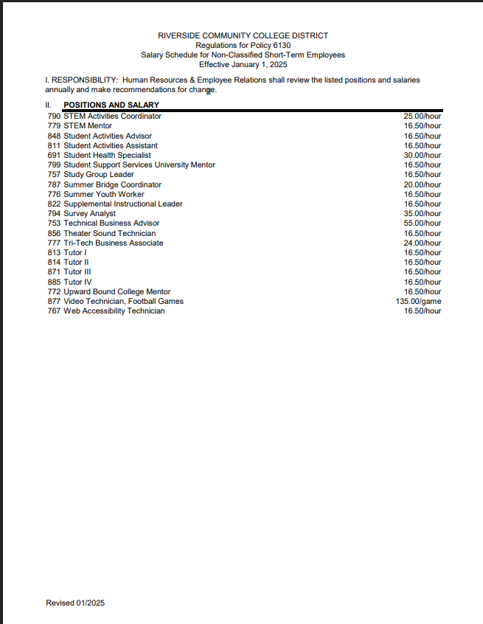
Study Group Leader | 16.50 | / | hour
Summer Bridge Coordinator | 20.00 | / | hour
Summer Youth Worker | 16.50 | / | hour
Supplemental Instructional Leader | 16.50 | / | hour
Survey Analyst | 35.00 | / | hour
Technical Business Advisor | 55.00 | / | hour
Theater Sound Technician | 16.50 | / | hour
Tri-Tech Business Associate | 24.00 | / | hour
Tutor I | 16.50 | / | hour
Tutor II | 16.50 | / | hour
Tutor III | 16.50 | / | hour
Tutor IV | 16.50 | / | hour
Upward Bound College Mentor | 16.50 | / | hour
Video Technician, Football Games | 135.00 | / | game
Web Accessibility Technician | 16.50 | / | hour
*Minimum wage $16.90/hour Effective January 2026

TCP Full Time Fac
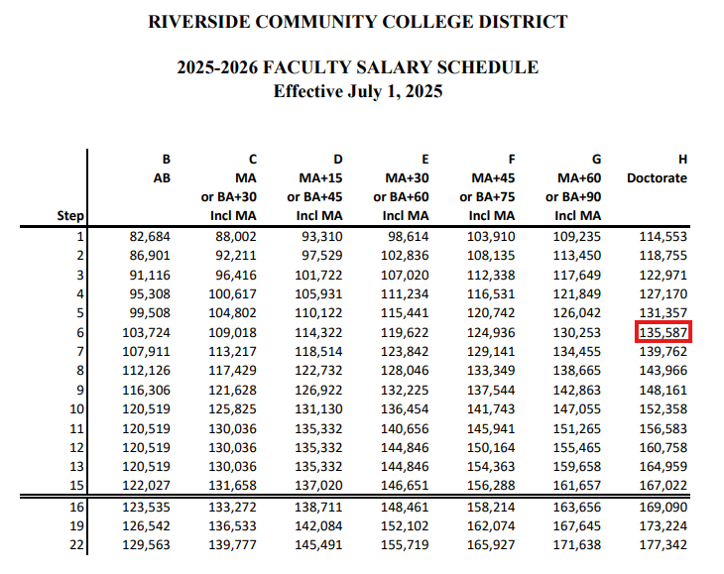
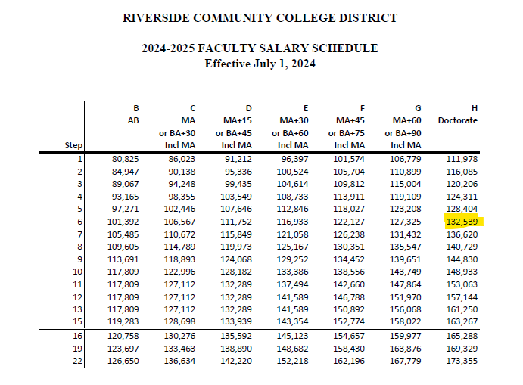
Salary | H-6 | 135,587 | Input current H-6 salary from FT faculty salary schedule
STRS | 19.10% | $25,897
Medi | 1.45% | $1,966
SUI | 0.05% | $68
WC | 1.60% | $2,169
GL&P | 3.00% | $4,068
OPEB | 0.20% | $271
H&W* |  | $42,152 | Updated 12/1/2025 JJD.
TCP |  | $212,178

*Standard H&W with Jefferson Pilot Life, Delta Dental and Health Net Family (exceeds RCCD family plan)
$40,771.20, $1269.60, $111

 |  | $121.84 | Group 3, Step 3 from the Faculty Hourly Salary Schedule
Employee Benefits- Delta | $1,269.60
Employee Benefits- Jefferson | $111.00
Employee Benefits- Health Net | $40,771.20
 | $42,151.80

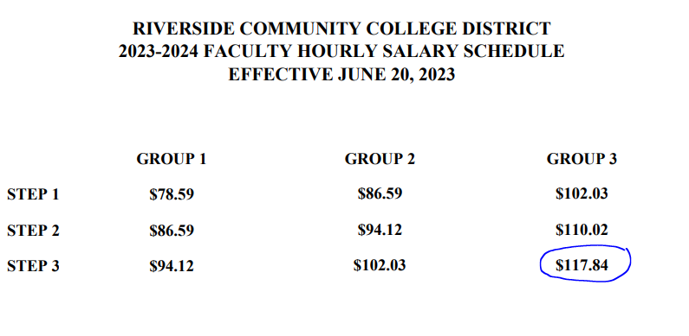
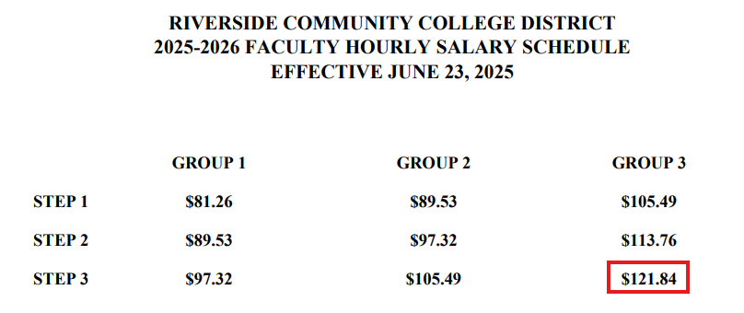

TCP Full Time CounsLib
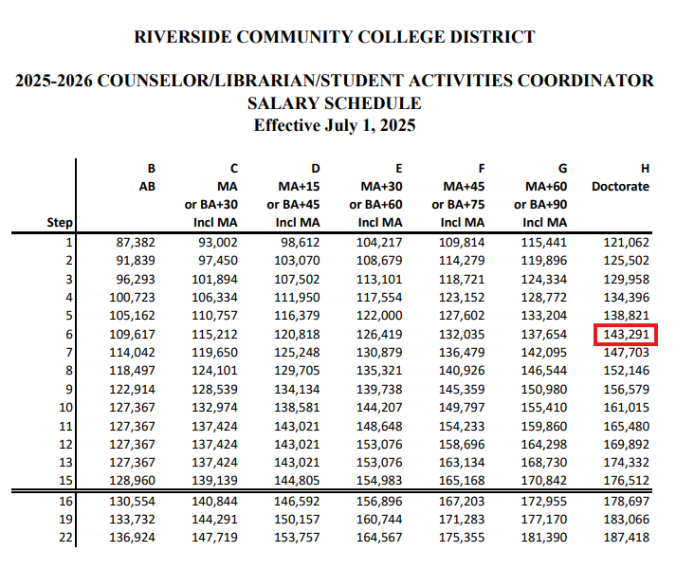
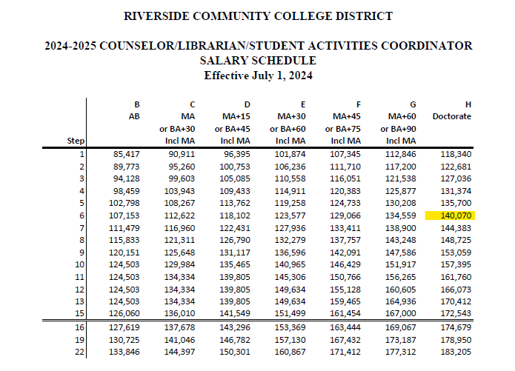
Salary | H-6 | $143,291 | Input current H-6 salary from Counselor, Librarian, Student Activities Coordinator salary schedule
STRS | 19.10% | $27,369
Medi | 1.45% | $2,078
SUI | 0.05% | $72
WC | 1.60% | $2,293
GL&P | 3.00% | $4,299
OPEB | 0.20% | $287
 | 25.40%
H&W* |  | $42,152
TCP |  | $221,841

*Standard H&W with Jefferson Pilot Life, Delta Dental and Health Net Family (exceeds RCCD family plan)

The fixed charge rates will update when the Rate Sheet is updated.
Employee Benefits- Delta | $1,269.60
Employee Benefits- Jefferson | $111.00
Employee Benefits- Health Net | $40,771.20 | family rate
 | $42,151.80

TCP Assoc Fac
 | # of hours | hourly rate | Total | # of units
Lecture
Hourly Rate @ 3/3 | 54.00 | $121.84 | $6,579.36 | 3 | Input current Group 3, Step 3 rate from faculty hourly salary schedule | Part Time Faculty - Lecture | 121.84
Unit Pay for Lecture | 54.00 | $81.26 | $4,388.04 | 3 | Input current Group 1, Step 1 rate from faculty hourly salary schedule | Part Time Faculty - Lab | 97.32
 |  |  | $10,967.40
Lab
Hourly Rate @ 1/3 | 18.00 | $97.32 | $1,751.76 | 1 | Input current Group 1, Step 3 rate from faculty hourly salary schedule
Unit Pay for Lab | 18.00 | $81.26 | $81.26 | 1 | Input current Group 1, Step 1 rate from faculty hourly salary schedule
 |  |  | $1,833.02

1 unit = 18 hours of lecture.
1 unit = 54 hours of lab

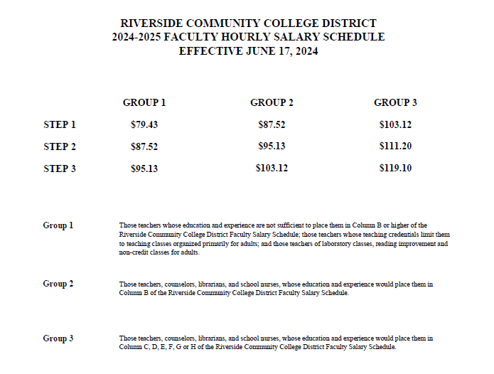
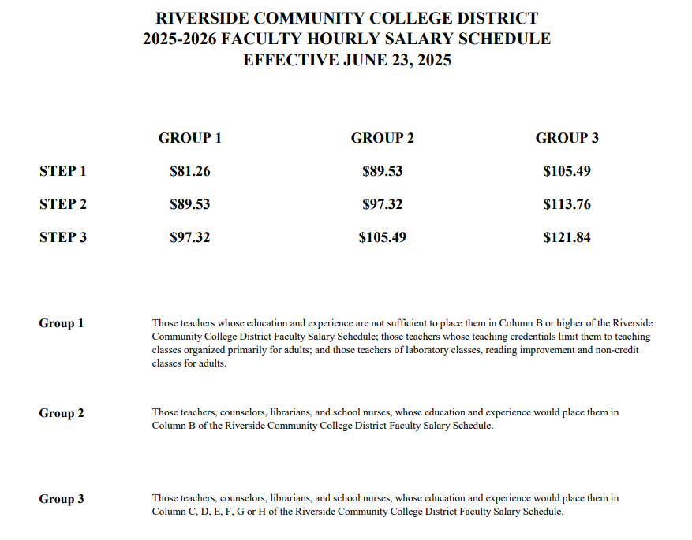

NOTES
TAB | ACTION
Unhide all hidden data tabs | These are hidden so they don't clutter up the spreadsheet but will have to unhidden in order to update them.

Rate Sheet | Update the highlighted cells with the current fiscal year's finalized rates

Classified Salary Schedule | Update these salary schedules with the current fiscal year's published salary schedules. Make sure that the links and dropdowns still point to the appropriate cell after the upload.
CL Confidential Salary Schedule
Administrator Job Titles

Short Term Non-Classified Titles | Update these salary schedules with the current fiscal year's published salary schedules. Make sure that the links and dropdowns still point to the appropriate cell after the upload.

TCP Full Time Faculty | Update the pale yellow cells with the newly published salaries from the FT Faculty Salary Schedule H-6 and the group 3, step 3 rate from the Faculty Hourly Salary Schedule. The rest will calculate based on the updated Rate tab.

TCP Full Time Counselor/Librarian | Update the pale yellow cell with the newly published salary from the Counselor, Librarian, Student Activities Coordinator Salary Schedule H-6. The rest will calculate based on the updated Rate tab.

TCP Associated Faculty | Update the pale yellow cells with the newly published salaries from group 3, step 3 rate and group 1, step 1 rate from the Faculty Hourly Salary Schedule. The rest will calculate based on the updated Rate tab.

Student Employment | Here is the link to the information
 | Student Employment (norcocollege.edu)
 | see image below
Password | TCP

