Technology
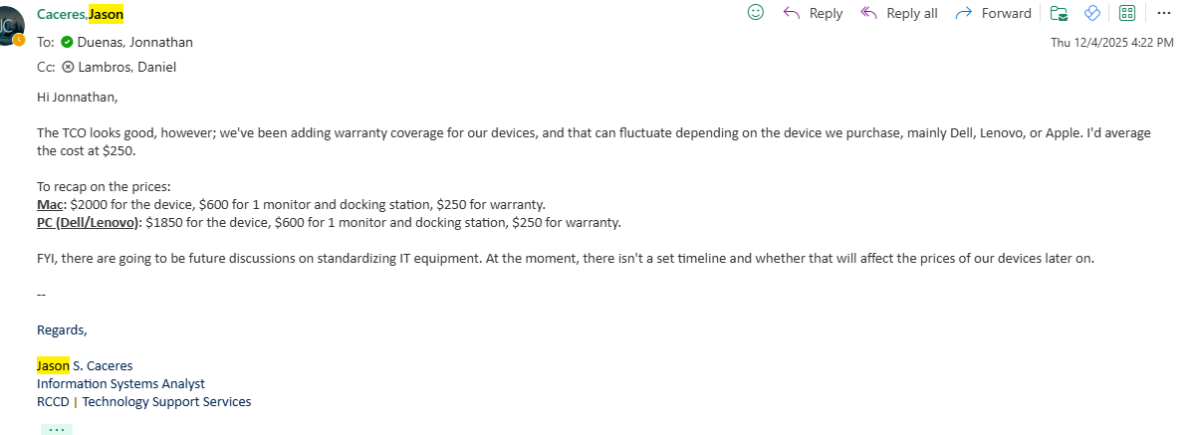
Initial Cost | Computer Type | # of Computers
Estimated Price, Computer & Warranty (Choose from Dropdown): | PC | 1 | $1,850
Estimated Price, All Other:
Additional Component(s) cost: |  |  | 600 | 1 docking station + 1 monitor
Maintenance Contract/Warranty/Software License cost: |  |  | 250
Software Training cost: |  |  | -
Installation cost: |  |  | -
Total Initial Cost: |  |  | $2,700

Operating Cost, Computer
Expected Life-cycle (in years), Computer: |  |  | 5
Estimated Cost for Annual Maintenance Contract/Repairs (for Entire Life-Cycle): |  |  | 30
Estimated Cost for future Upgrade/Replacement (for Entire Life-Cycle, 10% Inflation): |  |  | 925
 |  |  | $955
Operating Cost, All Other
Expected Life-cycle (in years), All Other: |  |  | 5
Estimated Cost for Annual Maintenance Contract/Repairs (for Entire Life-Cycle): |  |  | 30
Estimated Cost for future Upgrade/Replacement (for Entire Life-Cycle): |  |  | -
 |  |  | $150

Total Operating Cost: |  |  | $1,105

Total Cost of Ownership
Initial Cost + Operating Cost = Total Cost of Ownership: |  |  | $3,805

